NPX Data
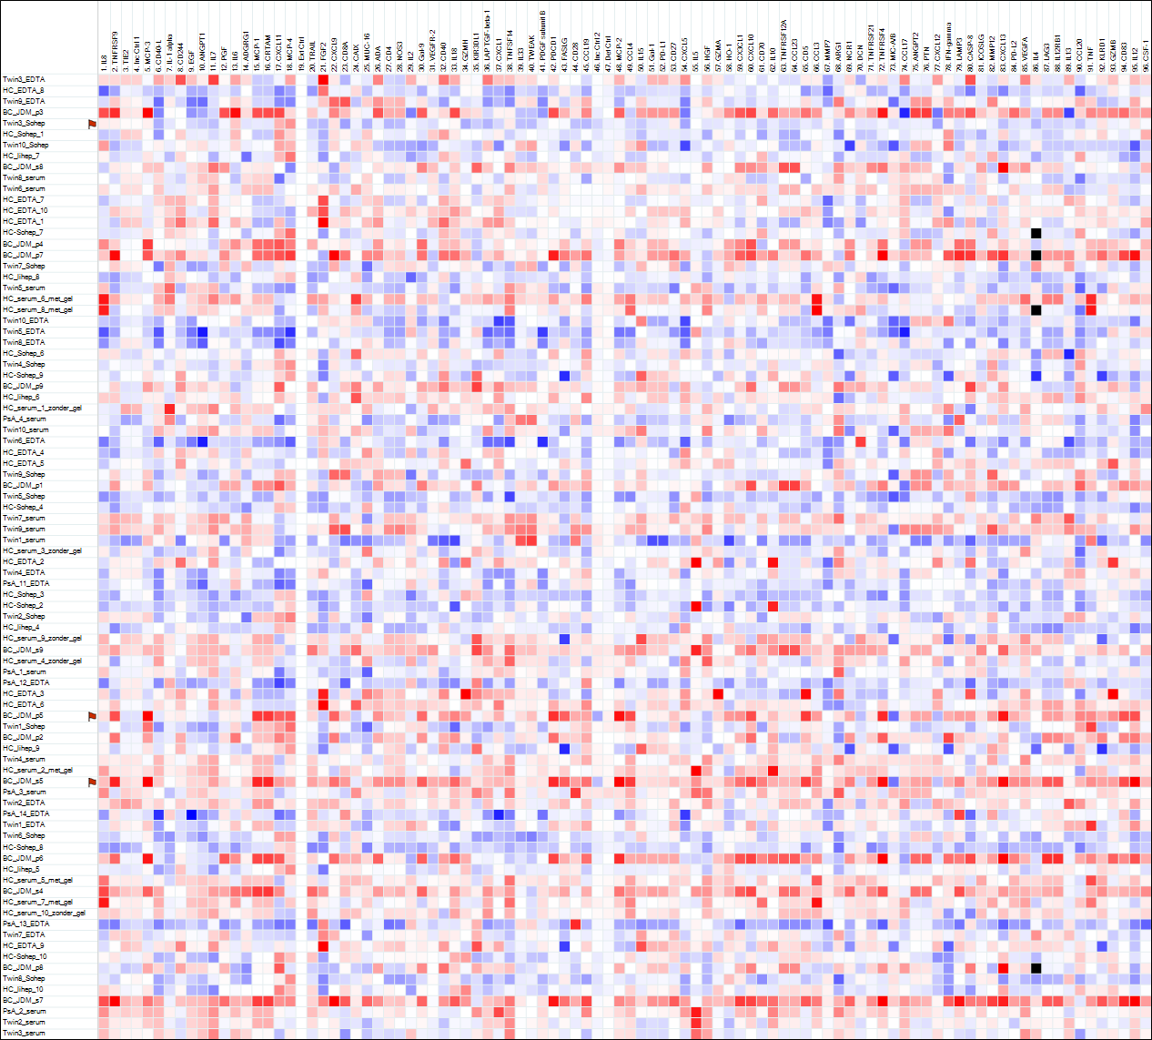
Stefan Nierkens_I-O_pilot_26feb2021 | Olink NPX Manager 2.2.2.322
NPX data
Panel | Olink Target 96 Immuno-Oncology(v.3112) | Olink Target 96 Immuno-Oncology(v.3112) | Olink Target 96 Immuno-Oncology(v.3112) | Olink Target 96 Immuno-Oncology(v.3112) | Olink Target 96 Immuno-Oncology(v.3112) | Olink Target 96 Immuno-Oncology(v.3112) | Olink Target 96 Immuno-Oncology(v.3112) | Olink Target 96 Immuno-Oncology(v.3112) | Olink Target 96 Immuno-Oncology(v.3112) | Olink Target 96 Immuno-Oncology(v.3112) | Olink Target 96 Immuno-Oncology(v.3112) | Olink Target 96 Immuno-Oncology(v.3112) | Olink Target 96 Immuno-Oncology(v.3112) | Olink Target 96 Immuno-Oncology(v.3112) | Olink Target 96 Immuno-Oncology(v.3112) | Olink Target 96 Immuno-Oncology(v.3112) | Olink Target 96 Immuno-Oncology(v.3112) | Olink Target 96 Immuno-Oncology(v.3112) | Olink Target 96 Immuno-Oncology(v.3112) | Olink Target 96 Immuno-Oncology(v.3112) | Olink Target 96 Immuno-Oncology(v.3112) | Olink Target 96 Immuno-Oncology(v.3112) | Olink Target 96 Immuno-Oncology(v.3112) | Olink Target 96 Immuno-Oncology(v.3112) | Olink Target 96 Immuno-Oncology(v.3112) | Olink Target 96 Immuno-Oncology(v.3112) | Olink Target 96 Immuno-Oncology(v.3112) | Olink Target 96 Immuno-Oncology(v.3112) | Olink Target 96 Immuno-Oncology(v.3112) | Olink Target 96 Immuno-Oncology(v.3112) | Olink Target 96 Immuno-Oncology(v.3112) | Olink Target 96 Immuno-Oncology(v.3112) | Olink Target 96 Immuno-Oncology(v.3112) | Olink Target 96 Immuno-Oncology(v.3112) | Olink Target 96 Immuno-Oncology(v.3112) | Olink Target 96 Immuno-Oncology(v.3112) | Olink Target 96 Immuno-Oncology(v.3112) | Olink Target 96 Immuno-Oncology(v.3112) | Olink Target 96 Immuno-Oncology(v.3112) | Olink Target 96 Immuno-Oncology(v.3112) | Olink Target 96 Immuno-Oncology(v.3112) | Olink Target 96 Immuno-Oncology(v.3112) | Olink Target 96 Immuno-Oncology(v.3112) | Olink Target 96 Immuno-Oncology(v.3112) | Olink Target 96 Immuno-Oncology(v.3112) | Olink Target 96 Immuno-Oncology(v.3112) | Olink Target 96 Immuno-Oncology(v.3112) | Olink Target 96 Immuno-Oncology(v.3112) | Olink Target 96 Immuno-Oncology(v.3112) | Olink Target 96 Immuno-Oncology(v.3112) | Olink Target 96 Immuno-Oncology(v.3112) | Olink Target 96 Immuno-Oncology(v.3112) | Olink Target 96 Immuno-Oncology(v.3112) | Olink Target 96 Immuno-Oncology(v.3112) | Olink Target 96 Immuno-Oncology(v.3112) | Olink Target 96 Immuno-Oncology(v.3112) | Olink Target 96 Immuno-Oncology(v.3112) | Olink Target 96 Immuno-Oncology(v.3112) | Olink Target 96 Immuno-Oncology(v.3112) | Olink Target 96 Immuno-Oncology(v.3112) | Olink Target 96 Immuno-Oncology(v.3112) | Olink Target 96 Immuno-Oncology(v.3112) | Olink Target 96 Immuno-Oncology(v.3112) | Olink Target 96 Immuno-Oncology(v.3112) | Olink Target 96 Immuno-Oncology(v.3112) | Olink Target 96 Immuno-Oncology(v.3112) | Olink Target 96 Immuno-Oncology(v.3112) | Olink Target 96 Immuno-Oncology(v.3112) | Olink Target 96 Immuno-Oncology(v.3112) | Olink Target 96 Immuno-Oncology(v.3112) | Olink Target 96 Immuno-Oncology(v.3112) | Olink Target 96 Immuno-Oncology(v.3112) | Olink Target 96 Immuno-Oncology(v.3112) | Olink Target 96 Immuno-Oncology(v.3112) | Olink Target 96 Immuno-Oncology(v.3112) | Olink Target 96 Immuno-Oncology(v.3112) | Olink Target 96 Immuno-Oncology(v.3112) | Olink Target 96 Immuno-Oncology(v.3112) | Olink Target 96 Immuno-Oncology(v.3112) | Olink Target 96 Immuno-Oncology(v.3112) | Olink Target 96 Immuno-Oncology(v.3112) | Olink Target 96 Immuno-Oncology(v.3112) | Olink Target 96 Immuno-Oncology(v.3112) | Olink Target 96 Immuno-Oncology(v.3112) | Olink Target 96 Immuno-Oncology(v.3112) | Olink Target 96 Immuno-Oncology(v.3112) | Olink Target 96 Immuno-Oncology(v.3112) | Olink Target 96 Immuno-Oncology(v.3112) | Olink Target 96 Immuno-Oncology(v.3112) | Olink Target 96 Immuno-Oncology(v.3112) | Olink Target 96 Immuno-Oncology(v.3112) | Olink Target 96 Immuno-Oncology(v.3112) | Olink Target 96 Immuno-Oncology(v.3112) | Olink Target 96 Immuno-Oncology(v.3112) | Olink Target 96 Immuno-Oncology(v.3112) | Olink Target 96 Immuno-Oncology(v.3112)
Assay | IL8 | TNFRSF9 | TIE2 | MCP-3 | CD40-L | IL-1 alpha | CD244 | EGF | ANGPT1 | IL7 | PGF | IL6 | ADGRG1 | MCP-1 | CRTAM | CXCL11 | MCP-4 | TRAIL | FGF2 | CXCL9 | CD8A | CAIX | MUC-16 | ADA | CD4 | NOS3 | IL2 | Gal-9 | VEGFR-2 | CD40 | IL18 | GZMH | KIR3DL1 | LAP TGF-beta-1 | CXCL1 | TNFSF14 | IL33 | TWEAK | PDGF subunit B | PDCD1 | FASLG | CD28 | CCL19 | MCP-2 | CCL4 | IL15 | Gal-1 | PD-L1 | CD27 | CXCL5 | IL5 | HGF | GZMA | HO-1 | CX3CL1 | CXCL10 | CD70 | IL10 | TNFRSF12A | CCL23 | CD5 | CCL3 | MMP7 | ARG1 | NCR1 | DCN | TNFRSF21 | TNFRSF4 | MIC-A/B | CCL17 | ANGPT2 | PTN | CXCL12 | IFN-gamma | LAMP3 | CASP-8 | ICOSLG | MMP12 | CXCL13 | PD-L2 | VEGFA | IL4 | LAG3 | IL12RB1 | IL13 | CCL20 | TNF | KLRD1 | GZMB | CD83 | IL12 | CSF-1 | Plate ID | QC Warning | QC Deviation from median | QC Deviation from median
Uniprot ID | P10145 | Q07011 | Q02763 | P80098 | P29965 | P01583 | Q9BZW8 | P01133 | Q15389 | P13232 | P49763 | P05231 | Q9Y653 | P13500 | O95727 | O14625 | Q99616 | P50591 | P09038 | Q07325 | P01732 | Q16790 | Q8WXI7 | P00813 | P01730 | P29474 | P60568 | O00182 | P35968 | P25942 | Q14116 | P20718 | P43629 | P01137 | P09341 | O43557 | O95760 | O43508 | P01127 | Q15116 | P48023 | P10747 | Q99731 | P80075 | P13236 | P40933 | P09382 | Q9NZQ7 | P26842 | P42830 | P05113 | P14210 | P12544 | P09601 | P78423 | P02778 | P32970 | P22301 | Q9NP84 | P55773 | P06127 | P10147 | P09237 | P05089 | O76036 | P07585 | O75509 | P43489 | Q29983,Q29980 | Q92583 | O15123 | P21246 | P48061 | P01579 | Q9UQV4 | Q14790 | O75144 | P39900 | O43927 | Q9BQ51 | P15692 | P05112 | P18627 | P42701 | P35225 | P78556 | P01375 | Q13241 | P10144 | Q01151 | P29459,P29460 | P09603 |  |  | Inc Ctrl 2 | Det Ctrl
OlinkID | OID00752 | OID00753 | OID00754 | OID00755 | OID00756 | OID00757 | OID00758 | OID00759 | OID00760 | OID00761 | OID00762 | OID00763 | OID00764 | OID00765 | OID00766 | OID00767 | OID00768 | OID00769 | OID00770 | OID00771 | OID00772 | OID00773 | OID05549 | OID00775 | OID00776 | OID00777 | OID00778 | OID00779 | OID00780 | OID00781 | OID00782 | OID00783 | OID05550 | OID00785 | OID00786 | OID00787 | OID00788 | OID00789 | OID00790 | OID00791 | OID00792 | OID00793 | OID00794 | OID00795 | OID00796 | OID05551 | OID00798 | OID00799 | OID00800 | OID00801 | OID00802 | OID00803 | OID00804 | OID00805 | OID00806 | OID00807 | OID00808 | OID00809 | OID00810 | OID00811 | OID00812 | OID00813 | OID00814 | OID00815 | OID00816 | OID00817 | OID00818 | OID00819 | OID00820 | OID00821 | OID00822 | OID00823 | OID00824 | OID05552 | OID00826 | OID00827 | OID00828 | OID00829 | OID00830 | OID00831 | OID00832 | OID00833 | OID05553 | OID00835 | OID00836 | OID00837 | OID05554 | OID00839 | OID00840 | OID00841 | OID00842 | OID00843

Twin3_EDTA | 6.07469 | 6.48167 | 7.66552 | 2.06691 | 9.06817 | -0.86082 | 8.17435 | 10.62790 | 9.44762 | 8.12929 | 8.38837 | 4.08293 | 1.19807 | 10.38154 | 12.01818 | 9.57175 | 12.78475 | 7.70873 | 3.66777 | 7.49077 | 8.45921 | 4.10846 | 2.31640 | 6.83034 | 2.77467 | 6.32317 | 1.70832 | 7.95294 | 8.07142 | 11.57133 | 9.91907 | 3.43457 | 0.83328 | 10.99165 | 10.05794 | 6.40879 | -0.40306 | -2.29609 | 10.87813 | 4.91764 | 7.14499 | 0.39022 | 10.09034 | 9.95753 | 6.91433 | 4.64589 | 6.95513 | 9.61689 | 8.43974 | 13.21431 | 0.63851 | 9.08742 | 7.09624 | 12.17575 | 3.36858 | 9.58460 | 2.46465 | 3.27873 | 4.27891 | 3.39064 | 5.79230 | 6.15215 | 10.49581 | 3.79598 | 3.54682 | 3.41987 | 7.64791 | 6.20121 | 4.12065 | 12.48852 | 5.37861 | 6.27769 | 2.20504 | 6.93045 | 4.15458 | 6.25335 | 5.46305 | 6.64504 | 8.60028 | 2.56928 | 10.77871 | 0.82312 | 3.83579 | 3.01290 | 1.55907 | 6.04308 | 3.98151 | 6.03131 | 4.30763 | 2.49229 | 7.58365 | 10.32647 | 26feb2021_Stefan Nierkens_I-O_pilot | Pass | -0.02926 | 0.12257
HC_EDTA_8 | 3.26986 | 5.33083 | 7.25962 | 0.80181 | 5.51660 | -1.78127 | 6.17257 | 7.25444 | 7.78068 | 4.39788 | 8.11361 | 1.84473 | 0.91413 | 10.32592 | 11.89418 | 7.19068 | 10.01065 | 7.15201 | 1.90735 | 6.76773 | 9.04908 | 4.56402 | 1.89919 | 5.07399 | 2.81773 | 6.36875 | 0.76527 | 6.89258 | 7.84065 | 9.59425 | 8.44429 | 3.26800 | 0.97239 | 8.52975 | 8.45086 | 3.71988 | -0.93107 | -2.89975 | 9.65888 | 3.88225 | 7.38206 | 0.05580 | 9.49268 | 7.85620 | 5.79367 | 4.51270 | 6.20622 | 8.89289 | 7.90676 | 10.44557 | 0.15028 | 8.00568 | 6.40848 | 12.54009 | 3.34823 | 8.70731 | 2.70860 | 2.78693 | 4.57983 | 3.72054 | 4.85239 | 4.78508 | 9.37824 | 3.57939 | 3.24262 | 4.08368 | 6.97311 | 5.19786 | 4.25096 | 9.20074 | 5.17787 | 6.10337 | 1.51045 | 6.33915 | 3.50380 | 3.07578 | 5.35415 | 6.06197 | 6.89398 | 2.35929 | 8.94552 | 0.14741 | 3.63290 | 2.79535 | 0.60436 | 4.48233 | 3.00410 | 5.42051 | 3.51187 | 2.35796 | 6.38703 | 9.87092 | 26feb2021_Stefan Nierkens_I-O_pilot | Pass | -0.04459 | -0.11366
Twin9_EDTA | 4.99479 | 6.61037 | 7.47453 | 1.66190 | 3.86107 | -1.17825 | 5.89275 | 6.03393 | 6.69247 | 4.45076 | 8.37134 | 3.44383 | 1.06340 | 10.50838 | 12.13393 | 7.39830 | 9.52633 | 7.83029 | 1.00885 | 9.99089 | 10.78892 | 3.58163 | 3.08857 | 6.62400 | 3.64441 | 7.26286 | 0.91063 | 8.16156 | 7.63234 | 8.99769 | 8.99750 | 2.34186 | 0.66157 | 8.25178 | 8.56860 | 3.76870 | -0.44343 | -2.31351 | 9.23536 | 4.77221 | 6.58604 | 0.71186 | 11.61704 | 7.49234 | 6.53130 | 5.59142 | 6.30615 | 8.96531 | 7.98383 | 9.63840 | 1.27298 | 9.20719 | 6.51587 | 12.05004 | 3.28508 | 8.54697 | 2.61990 | 2.84421 | 4.52049 | 3.67198 | 5.91287 | 5.42387 | 10.42183 | 5.78001 | 2.76913 | 3.90726 | 7.61733 | 6.00014 | 0.90459 | 10.10918 | 6.74140 | 7.80344 | 1.60654 | 7.83893 | 4.25934 | 4.51748 | 5.38689 | 8.77766 | 8.32690 | 2.68833 | 9.04639 | 0.42656 | 4.23608 | 3.41961 | 1.01005 | 7.52796 | 4.74461 | 5.10404 | 1.82566 | 2.23245 | 7.75714 | 10.07947 | 26feb2021_Stefan Nierkens_I-O_pilot | Pass | -0.05738 | -0.07940
BC_JDM_p3 | 8.04955 | 7.99065 | 7.54379 | 8.91957 | 4.39081 | -1.34679 | 6.33039 | 6.67405 | 7.67005 | 4.30287 | 9.96834 | 6.44968 | 1.18914 | 13.57414 | 15.17569 | 13.61957 | 11.97994 | 8.40796 | 0.22122 | 9.43421 | 9.81161 | 4.32009 | 2.43355 | 7.42849 | 3.78245 | 7.33348 | -0.09691 | 9.73585 | 8.02683 | 10.48090 | 10.91651 | 4.38849 | 1.30973 | 9.01574 | 9.50533 | 5.72273 | -1.11496 | -3.00586 | 9.44764 | 6.68590 | 8.07431 | 0.68509 | 12.16512 | 11.24786 | 6.01906 | 6.11029 | 7.18504 | 9.81572 | 9.02473 | 9.52172 | 0.23823 | 8.67702 | 7.51856 | 13.62392 | 5.45198 | 13.68681 | 3.06236 | 6.27576 | 5.52339 | 4.70297 | 6.71262 | 7.66391 | 12.04746 | 4.54835 | 4.27961 | 4.30660 | 8.17200 | 8.11093 | 5.59271 | 7.38317 | 7.78639 | 8.92366 | 0.39511 | 8.68200 | 5.99961 | 6.19913 | 5.98937 | 7.48248 | 9.07817 | 3.83843 | 10.42115 | -0.15583 | 5.47532 | 4.64382 | -0.97623 | 7.13406 | 5.89358 | 6.73868 | 5.62996 | 3.81135 | 7.78778 | 10.72002 | 26feb2021_Stefan Nierkens_I-O_pilot | Pass | -0.17229 | -0.00188
Twin3_Sohep | 5.78944 | 6.27490 | 7.38382 | 2.66122 | 5.30096 | -1.64692 | 6.32780 | 8.26795 | 8.26180 | 3.94121 | 8.21223 | 3.55707 | 0.70581 | 10.79161 | 12.33962 | 11.41325 | 13.05396 | 7.49501 | -0.35973 | 7.63526 | 8.25517 | 4.02735 | 1.77328 | 5.02738 | 2.52950 | 6.19695 | 0.95792 | 7.53354 | 7.65598 | 10.02641 | 9.16343 | 1.04308 | 0.26703 | 8.61823 | 8.89105 | 5.82095 | -1.13417 | -3.04455 | 10.50153 | 4.54836 | 7.07853 | -0.22718 | 9.65921 | 8.56126 | 6.13224 | 4.34731 | 6.28488 | 8.94273 | 8.31865 | 10.18603 | 0.60403 | 8.16589 | 6.24021 | 12.38271 | 3.13357 | 9.16952 | 2.25267 | 2.95845 | 4.15333 | 3.30842 | 5.48845 | 5.17053 | 12.49398 | 3.44057 | 3.12872 | 3.77431 | 7.32296 | 5.75773 | 3.96020 | 10.35270 | 5.33284 | 6.29113 | 0.73539 | 6.92121 | 3.97322 | 4.37591 | 5.58487 | 6.89059 | 7.54192 | 2.43371 | 9.25996 | -0.45554 | 3.68917 | 2.78244 | 0.52751 | 5.79379 | 3.58640 | 6.01583 | 2.65918 | 2.31679 | 7.12426 | 9.97414 | 26feb2021_Stefan Nierkens_I-O_pilot | Warning | -0.35256 | -0.14017
HC_Sohep_1 | 4.70585 | 5.72758 | 7.68942 | 2.33558 | 4.76788 | -1.37584 | 6.85015 | 8.69923 | 8.81588 | 4.36670 | 8.16314 | 3.74551 | 0.93991 | 10.34077 | 11.95273 | 12.04710 | 12.08448 | 7.72800 | -0.46482 | 7.70966 | 9.29392 | 3.92074 | 3.13871 | 5.26278 | 2.95821 | 6.52528 | 0.99331 | 7.45832 | 8.28124 | 11.09028 | 9.31521 | 3.20257 | 0.89667 | 9.30443 | 9.54464 | 4.79017 | -0.77971 | -2.57561 | 10.63527 | 4.37265 | 6.70643 | 0.05960 | 10.54971 | 8.55917 | 6.22722 | 4.21154 | 6.34395 | 8.94407 | 7.96906 | 11.11916 | 0.08572 | 7.50101 | 6.87651 | 12.42430 | 2.87989 | 9.62002 | 1.98511 | 2.91603 | 3.76290 | 2.87250 | 5.60086 | 5.80495 | 12.01040 | 2.52526 | 3.19891 | 3.58294 | 7.14650 | 5.71150 | 4.81756 | 10.27984 | 5.38977 | 6.37484 | 1.40053 | 8.25525 | 3.65662 | 4.04379 | 5.02267 | 6.84301 | 8.72083 | 2.42100 | 9.38547 | 0.16258 | 3.54756 | 2.78704 | 0.72220 | 6.86920 | 4.07205 | 6.16773 | 2.88655 | 2.21609 | 6.64922 | 10.59342 | 26feb2021_Stefan Nierkens_I-O_pilot | Pass | -0.22208 | -0.07695
Twin10_Sohep | 6.96059 | 5.45610 | 7.07777 | 2.13165 | 7.46469 | -1.56719 | 6.41241 | 9.73905 | 9.63260 | 4.74895 | 8.23302 | 3.32037 | 0.78975 | 11.01275 | 12.63436 | 11.66954 | 12.53251 | 7.81101 | -0.36886 | 7.84967 | 9.13150 | 4.70524 | 2.94148 | 4.48975 | 2.49385 | 6.10610 | 0.25867 | 6.58245 | 7.35572 | 9.93602 | 8.88585 | 2.42834 | 0.14594 | 10.14601 | 7.98926 | 5.35885 | -0.14659 | -1.93818 | 10.71907 | 4.20775 | 5.76130 | 0.70472 | 9.45689 | 8.97039 | 7.33322 | 6.21359 | 5.94378 | 8.61795 | 7.95306 | 8.74481 | -0.57260 | 8.41278 | 6.12248 | 12.78983 | 3.39826 | 9.18698 | 2.75398 | 3.51546 | 3.89274 | 3.04918 | 5.09563 | 6.11718 | 12.07466 | 3.78344 | 1.25817 | 4.11728 | 7.18374 | 5.08311 | 0.13990 | 9.82798 | 6.34782 | 7.42230 | 1.50021 | 8.65460 | 3.58902 | 4.60865 | 5.31532 | 6.75959 | 7.22395 | 2.20538 | 9.12013 | 0.68628 | 3.51503 | 2.69137 | 0.30182 | 5.98726 | 3.20143 | 5.31976 | 1.94990 | 1.88066 | 4.79406 | 9.68291 | 26feb2021_Stefan Nierkens_I-O_pilot | Pass | -0.09400 | -0.09680
...

